Sheet1
Problem: | The following table gives the result of the experiment of four varieties of a crop in 5 blocks of plot.

 | Block I | Block II | Block III | Block IV | Block V
 | A 32 | B 33 | D 30 | A 35 | C 36
 | B 34 | C 34 | C 35 | C 32 | D 29
 | C 31 | A 34 | B 36 | B 37 | A 37
 | D 29 | D 26 | A 33 | D 28 | B 35
Analyse the above result to test whether there is significant difference between yields of four varieties
Steps:
1) First of all enty the given data/information in given format
2) Go on data analysis tools
3)Anova: two factor without Replication
4) Input range: select data
5) alpha : 0.05 or 0.01
6) label
7) output range
click ok only for instruction
Hypothesis
H0: | There is no significant difference between treatments
H1: | There is significant difference between treatments
Ho: | There is no significant difference between blocks
H1: | There is significant difference between blocks

Using Excel Data Analysis

Data:
Treatment | Block I | Block II | Block III | Block IV | Block V
A | 32 | 34 | 33 | 35 | 37
B | 34 | 33 | 36 | 37 | 35
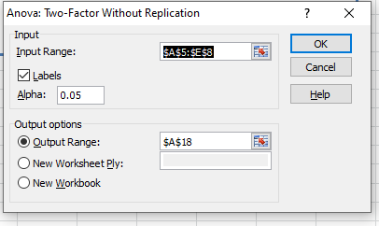
C | 31 | 34 | 35 | 32 | 36
D | 29 | 26 | 30 | 28 | 29

Excel output:
 | Anova: Two-Factor Without Replication

 | SUMMARY | Count | Sum | Average | Variance
 | A | 5 | 171 | 34.2 | 3.7
 | B | 5 | 175 | 35 | 2.5
 | C | 5 | 168 | 33.6 | 4.3
 | D | 5 | 142 | 28.4 | 2.3

 | Block I | 4 | 126 | 31.5 | 4.3333333333
 | Block II | 4 | 127 | 31.75 | 14.916666667
 | Block III | 4 | 134 | 33.5 | 7
 | Block IV | 4 | 132 | 33 | 15.333333333
 | Block V | 4 | 137 | 34.25 | 12.916666667

 |  | ANOVA
 |  | Source of Variation | SS | df | MS | F | P-value | F crit
 |  | Rows | 134 | 3 | 44.666666667 | 18.169491525 | 9.301677296E-05 | 3.4902948195
 |  | Columns | 21.7 | 4 | 5.425 | 2.206779661 | 0.12962227866 | 3.2591667269
 |  | Error | 29.5 | 12 | 2.4583333333

 |  | Total | 185.2 | 19

Decision: | α | 0.05 |  | Formula:
 | We reject Null Hypothesis. |  |  | IF(G41<I41,"We accept Null Hypothesis.","We reject Null Hypothesis.")
 | We accept Null Hypothesis. |  |  | IF(G42<I42,"We accept Null Hypothesis.","We reject Null Hypothesis.")
 | It is significant |  |  | IF(H41<C47,"It is significant","It is not significant")
 | It is not significant |  |  | IF(H42<C47,"It is significant","It is not significant")

Conclusion: |  | There is significant difference between treatments.
 |  | There is no significant difference between blocks.

SPSS Output:

Decision :
 | You can use p-value approach
p-value approach
Treatment
Block

SPSS Output:

